环境配置详细
1.安装vc
2.安装完vc需配置环境变量lib,include
如
include D:\Program Files\Microsoft Visual Studio\VC98\atl\include;D:\Program Files\Microsoft Visual Studio\VC98\mfc\include;D:\Program Files\Microsoft Visual Studio\VC98\include
lib D:\Program Files\Microsoft Visual Studio\VC98\mfc\lib;D:\Program Files\Microsoft Visual Studio\VC98\lib

3.安装putty 或securecrt
连接方式为：telnet
host:127.0.0.1
port:23

4.为telnet 建立一个系统用户，用户名/密码在将来putty 或securecrt 连接jbase 使用

5.为上步新建的用户配置文件： 指向bnk.run目录
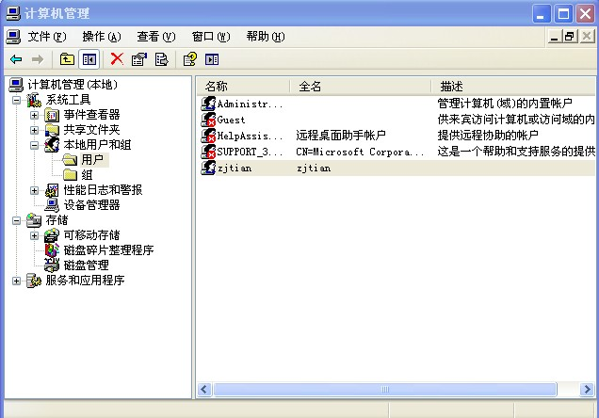

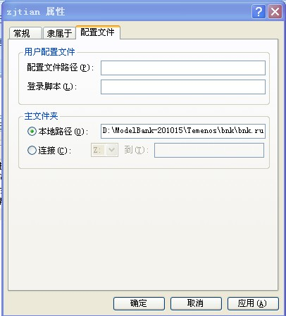

6.启动telnet服务， 找到telnet服务启动它

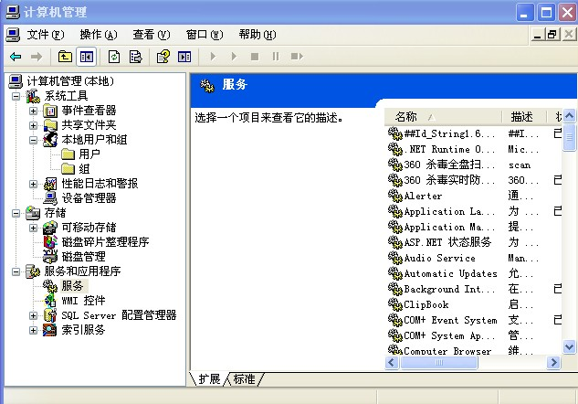

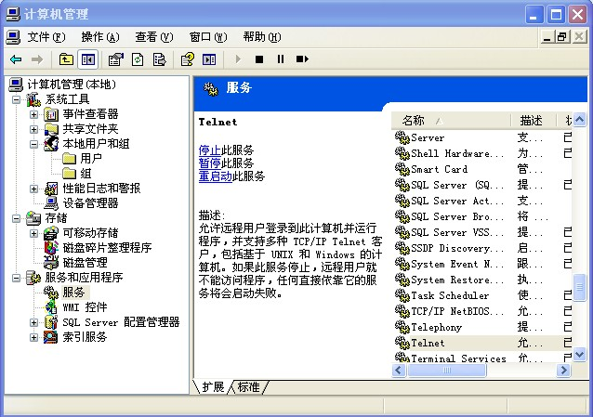

7. 运行putty,或securecrt 如下填写，点击connect

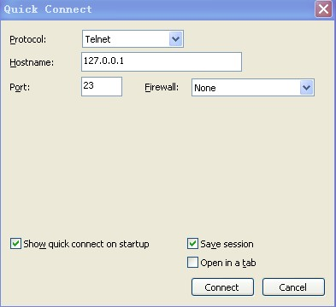

如下：输入用户名回车，输入密码回车

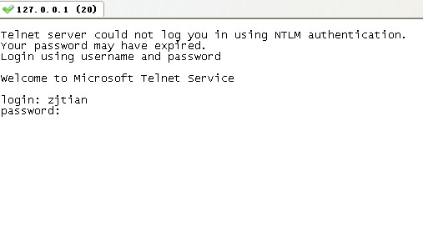

如下图 输入remote回车，输入N回车

最后如下图，就可对PROGRAM,SUBROUTINE 进行编译了，运行了

